Sheet1
Index | Analog | Smiles | Num Rings | Num Rotatable Bonds | Num Lipinski HB Donor | Num Lipinski HB Acceptor | Mol Wt | LogP | Topological Polar SA | Synthetic Accessibility | Plasma Protein Binding 75%+ | Blood Brain Barrier | Human Intestinal Absorption | Caco-2 Permeability (logPapp) | BCRP Inhibitor | OCT2 inhibitor | Pgp Inhibitors | Block Bile Salt Export Pump | Inhibitors of Cytochrome P450 1A2 | Inhibitors of Cytochrome P450 2C19 | Inhibitors/Substrates of Cytochrome P450 2C9 | Inhibitors/Substrates of Cytochrome P450 3A4 | Activators of Cytochrome P450 3A4 | Inhibitors/Substrates of Cytochrome P450 2D6 | Substrates of Cytochrome P450 2C19 | Activators of Cytochrome P450 2A9 | Acute Oral Toxicity (Mouse, LD50 < 300mg/kg) | Acute Oral Toxicity (Mouse, LD50 < 50mg/kg) | Acute Oral Toxicity (Mouse, LD50 < 5mg/kg) | Acute Oral Toxicity (Rat, LD50 < 300mg/kg) | Acute Oral Toxicity (Rat, LD50 < 50mg/kg) | Acute Oral Toxicity (Rat, LD50 < 5mg/kg) | Activator Alzheimer's amyloid precursor | myocardial damage | Mutagenicity | Induce Phospholipidosis | Carcinogenic Potency (Salmonella Mutagenicity) | Carcinogenic Potency (Mouse) | Cytotoxicity in HEK293 cells - 32 hour | Cytotoxicity in HepG2 cells - 32 hour | Induce genotoxicity in human embryonic kidney cells | Activators of the human pregnane X receptor (PXR) signaling pathway | Differential cytotoxicity (isogenic chicken DT40 cell lines) | Drug Induced Liver Injury | Eye Corrosion | Eye Irritation | Fish Tox (high risk) | hERG Blockers | Mitochondrial Toxicity | Skin Sensitization
000 | 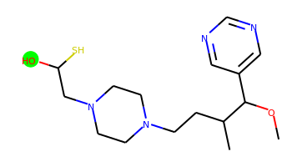 | COC(c1cncnc1)C(C)CCN1CCN(CC(O)S)CC1 | 2 | 8 | 1 | 6 | 340.193 | 1.056 | 61.72 | 3.911 | No | Yes | Yes | -4.836 | No | Yes | No | No | No | No | No | No | No | No | No | No | No | No | No | No | No | No | No | No | No | Yes | No | No | No | No | No | Yes | Yes | Yes | No | No | No | No | No | No
001 | 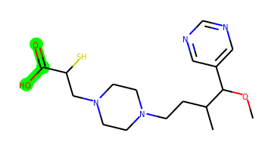 | COC(c1cncnc1)C(C)CCN1CCN(CC(S)C(=O)O)CC1 | 2 | 9 | 1 | 7 | 368.188 | 1.191 | 78.79 | 3.892 | No | No | Yes | -4.928 | No | Yes | No | No | No | No | No | No | No | No | No | No | No | No | No | No | No | No | No | No | No | No | No | No | No | No | No | Yes | No | Yes | No | No | No | No | No | No
002 | 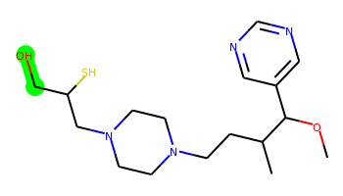 | COC(c1cncnc1)C(C)CCN1CCN(CC(S)CO)CC1 | 2 | 9 | 1 | 6 | 354.209 | 1.099 | 61.72 | 3.932 | No | Yes | Yes | -4.824 | No | Yes | No | No | No | No | No | No | No | No | No | No | No | No | No | No | No | No | No | No | No | Yes | No | No | Yes | No | No | Yes | Yes | No | No | No | No | Yes | No | No
003 | 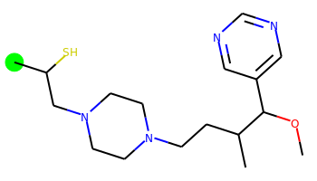 | COC(c1cncnc1)C(C)CCN1CCN(CC(C)S)CC1 | 2 | 8 | 0 | 5 | 338.214 | 2.126 | 41.49 | 3.839 | Yes | Yes | Yes | -4.673 | No | Yes | No | Yes | No | No | No | No | No | Yes | No | No | No | No | No | No | No | No | No | No | No | Yes | No | No | Yes | Yes | No | Yes | Yes | Yes | No | No | Yes | Yes | No | No
004 | 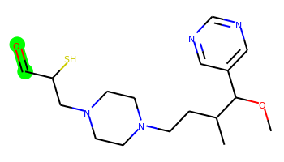 | COC(c1cncnc1)C(C)CCN1CCN(CC(S)C=O)CC1 | 2 | 9 | 0 | 6 | 352.193 | 1.305 | 58.56 | 4.033 | No | Yes | Yes | -4.738 | No | Yes | No | No | No | No | No | No | No | No | No | No | No | No | No | No | No | No | No | No | No | Yes | No | No | No | No | No | Yes | Yes | Yes | No | No | No | No | No | No
005 | 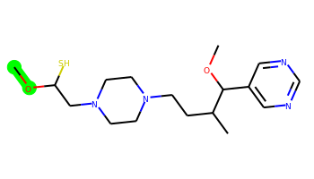 | COC(S)CN1CCN(CCC(C)C(OC)c2cncnc2)CC1 | 2 | 9 | 0 | 6 | 354.209 | 1.71 | 50.72 | 3.975 | Yes | Yes | Yes | -4.761 | No | Yes | No | Yes | No | No | No | No | No | No | No | No | No | No | No | No | No | No | No | No | No | Yes | No | No | Yes | No | No | Yes | Yes | No | No | No | No | Yes | No | No
006 | 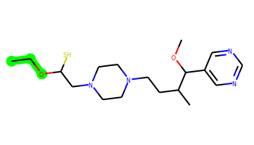 | CCOC(S)CN1CCN(CCC(C)C(OC)c2cncnc2)CC1 | 2 | 10 | 0 | 6 | 368.225 | 2.1 | 50.72 | 3.972 | Yes | Yes | Yes | -4.779 | No | Yes | No | Yes | No | No | No | No | No | Yes | No | No | No | No | No | No | No | No | No | No | No | Yes | No | No | Yes | Yes | Yes | Yes | Yes | No | No | No | No | Yes | No | No
007 | 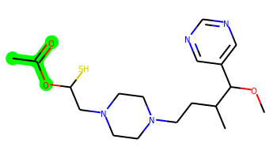 | COC(c1cncnc1)C(C)CCN1CCN(CC(S)OC(C)=O)CC1 | 2 | 9 | 0 | 7 | 382.204 | 1.627 | 67.79 | 3.978 | Yes | Yes | Yes | -4.826 | No | Yes | No | Yes | No | No | No | No | No | No | No | No | No | No | No | No | No | No | No | No | No | No | No | No | No | No | No | Yes | Yes | No | No | No | Yes | No | No | No
008 | 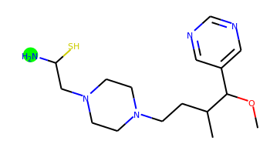 | COC(c1cncnc1)C(C)CCN1CCN(CC(N)S)CC1 | 2 | 8 | 2 | 6 | 339.209 | 1.023 | 67.51 | 3.914 | No | Yes | Yes | -4.76 | No | Yes | No | No | No | No | No | No | No | No | No | No | No | No | No | No | No | No | No | No | No | Yes | No | No | Yes | No | No | Yes | Yes | Yes | No | No | No | Yes | No | No
009 | 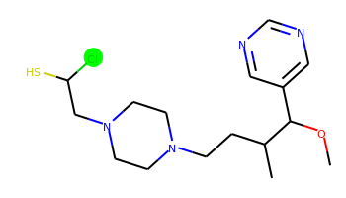 | COC(c1cncnc1)C(C)CCN1CCN(CC(S)Cl)CC1 | 2 | 8 | 0 | 5 | 358.159 | 2.303 | 41.49 | 3.938 | Yes | Yes | Yes | -4.707 | No | Yes | No | Yes | No | No | No | No | No | Yes | No | No | No | No | No | No | No | No | No | No | No | Yes | No | No | Yes | Yes | No | Yes | Yes | Yes | No | No | Yes | Yes | No | No

